Sheet1
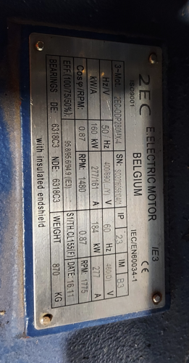
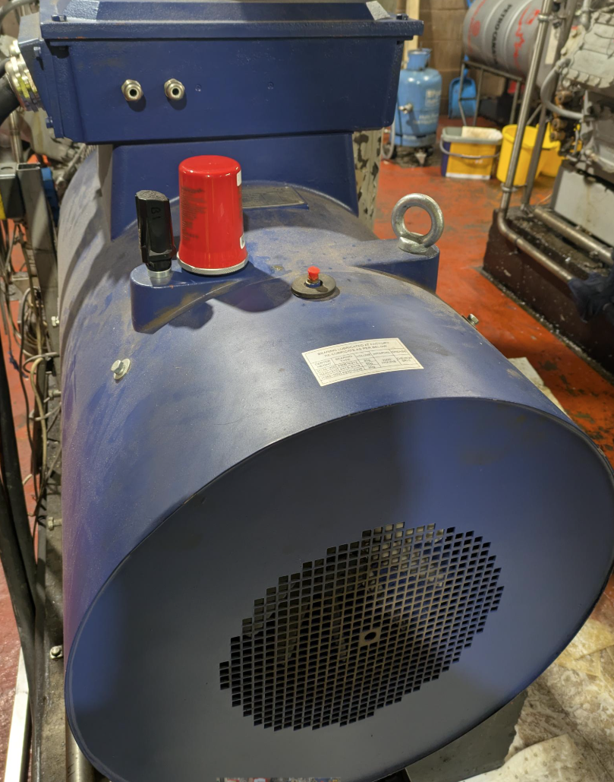
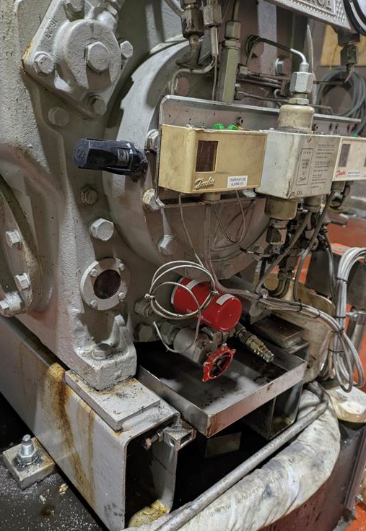
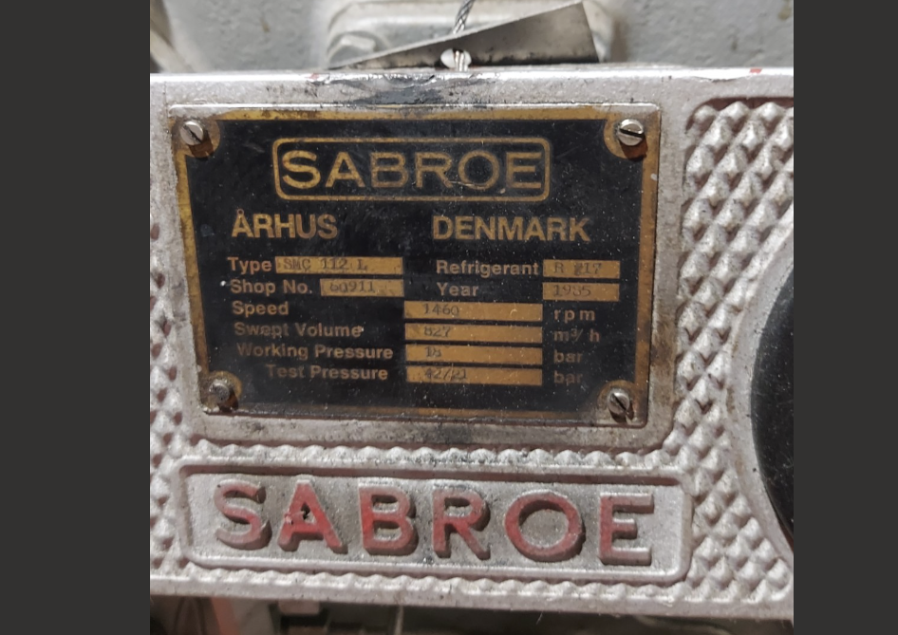
Sensor connected | 2959911 | 600a0c2a69e86f7a | Fan end | NDE

Area Name | Machine Name or Asset Group | Asset ID | Type of Equipment | Type of Driven Component | Machine function / Notes | RPM | Equipment is Located in an Hazardous Area | Hazardous Area Category | Hazardous Area Notes | Number of sensors on asset | Bearing 1 Component Name | Bearing 1 Number | Bearing 1 Type | Bearing 1 Make | Bearing 2 Component Name | Bearing 2 Number | Bearing 2 Type | Bearing 2 Make | VFD | HP | RPM | Electric Motor (Line Frequency) | Machine Drive (Belt driven / Direct driven / Coupling driven / Other) | Gearbox Driven | High G | Gearbox Details (No. of Teeth on Driver Gear) | Gearbox Details (No. of Teeth on Driven Gear) | Reduction Ratio | Number of vanes /blades /Impellers | Cleaning Standards | Frequency of planned shutdown | Duty Cycle | Duty Cycle Notes | Wi-Fi available | Cellular Service
Chiller area | LT - 1 | 16 cylinder refrigerator motor | Electric motor | Pump |  | 1480 | n/a | n/a | n/a | 2 |  | 6318c3 | DE | n/a |  | 6318c3 | NDE | n/a |  |  | 1480 - 1775 | 50 -60 hz | direct driven |  |  |  |  |  |  | wipe down |  | approx 12 hourly | kicks in during the day to keep the factory floor cold. | yes | yes

